Packing List
Photo | Brand | Gender | Macrocategory | Subcategory | Loc | Season | EAN | SKU | Article name | Colour | SIZE | Made In | Material Composition | Qty | Whs | RRP | total whl
 | Emporio Armani | Men | Clothing | Suits | 280.00 | Fall/Winter | 8055185443182 | 11V02E11112-632-52 | Suit | Grey | 52 | Italy | 100% Wool | 1 | 573.00 | 1432.50 | 573.00
 | Emporio Armani | Men | Clothing | Suits | 280.00 | Fall/Winter | 8055185489760 | 11V05B11026-909-48 | Suit | Blue | 48 | Italy | 100% Wool | 1 | 385.00 | 962.50 | 385.00
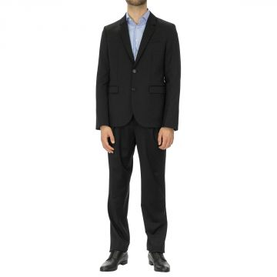 | Emporio Armani | Men | Clothing | Suits | 280.00 | Fall/Winter | 8055185661395 | 11V05B11026-999-50 | Suit | Black | 50 | Italy | 100% Wool | 2 | 385.00 | 962.50 | 770.00
 | Emporio Armani | Men | Clothing | Suits | 280.00 | Fall/Winter | 8055185661418 | 11V05B11026-999-54 | Suit | Black | 54 | Italy | 100% Wool | 2 | 385.00 | 962.50 | 770.00
 | Emporio Armani | Men | Clothing | Suits | 280.00 | Fall/Winter | 8055185661425 | 11V05B11026-999-56 | Suit | Black | 56 | Italy | 100% Wool | 2 | 385.00 | 962.50 | 770.00
 | Emporio Armani | Men | Clothing | Suits | 280.00 | Fall/Winter | 8059972144658 | 11V06B11026-632-50 | Suit | Grey | 50 | Italy | 100% Wool | 1 | 423.00 | 1057.50 | 423.00
 | Emporio Armani | Men | Clothing | Suits | 280.00 | Fall/Winter | 8055185443366 | 11V16R11104-630-46 | Suit | Grey | 46 | Italy | 100% Wool | 1 | 519.00 | 1297.50 | 519.00
 | Emporio Armani | Men | Clothing | Suits | 280.00 | Fall/Winter | 8055185443373 | 11V16R11104-630-48 | Suit | Grey | 48 | Italy | 100% Wool | 1 | 519.00 | 1297.50 | 519.00
 | Emporio Armani | Men | Clothing | Suits | 280.00 | Fall/Winter | 8055185443410 | 11V16R11104-630-56 | Suit | Grey | 56 | Italy | 100% Wool | 1 | 519.00 | 1297.50 | 519.00
 | Emporio Armani | Men | Clothing | Suits | 280.00 | Fall/Winter | 8055185664457 | 11V18E11110-922-56 | Suit | Navy | 56 | Italy | 100% Wool | 1 | 496.00 | 1240.00 | 496.00
 | Emporio Armani | Men | Clothing | Suits | 280.00 | Fall/Winter | 8055185664464 | 11V18E11110-922-58 | Suit | Navy | 58 | Italy | 100% Wool | 1 | 496.00 | 1240.00 | 496.00
 | Emporio Armani | Men | Clothing | Suits | 280.00 | Fall/Winter | 8055185443885 | 11V18E11113-921-54 | Suit | Blue | 54 | Italy | 100% Wool | 1 | 496.00 | 1240.00 | 496.00
 | Emporio Armani | Men | Clothing | Suits | 280.00 | Fall/Winter | 8055185664839 | 11V18E11118-922-56 | Suit | Navy | 56 | Italy | 100% Wool | 1 | 442.00 | 1105.00 | 442.00
 | Emporio Armani | Men | Clothing | Suits | 280.00 | Fall/Winter | 8055185665140 | 11V21Z11030-922-54 | Suit | Navy | 54 | Italy | 100% Wool | 1 | 500.00 | 1250.00 | 500.00
 | Emporio Armani | Men | Clothing | Suits | 280.00 | Fall/Winter | 8055185665164 | 11V21Z11030-922-58 | Suit | Navy | 58 | Italy | 100% Wool | 1 | 500.00 | 1250.00 | 500.00
 | Emporio Armani | Men | Clothing | Suits | 280.00 | Fall/Winter | 8054524856195 | 11VFAC11501-529-50 | Suit | Green | 50 | Bulgary | 100% Wool | 3 | 312.00 | 780.00 | 936.00
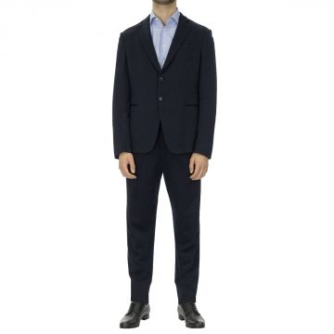 | Emporio Armani | Men | Clothing | Suits | 280.00 | Fall/Winter | 8054524856249 | 11VFAC11637-921-50 | Suit | Blue | 50 | Bulgary | 100% Viscose | 5 | 337.00 | 842.50 | 1685.00
 | Emporio Armani | Men | Clothing | Suits | 280.00 | Fall/Winter | 8055185599094 | 11VGEB01504-690-56 | Suit | Grey | 56 | Bulgary | 100% Wool | 1 | 277.00 | 692.50 | 277.00
 | Emporio Armani | Men | Clothing | Suits | 280.00 | Fall/Winter | 8055185605092 | 11VGEB11651-631-50 | Suit | Grey | 50 | Bulgary | 100% Wool | 1 | 375.00 | 937.50 | 375.00
 | Emporio Armani | Men | Clothing | Suits | 280.00 | Fall/Winter | 8055185610676 | 11VMAL11660-616-50 | Suit | Grey | 50 | Bulgary | 100% Polyester | 1 | 308.00 | 770.00 | 308.00
 | Emporio Armani | Men | Clothing | Suits | 280.00 | Fall/Winter | 8055185612212 | 11VMEB01504-615-48 | Suit | Grey | 48 | Bulgary | 100% Wool | 1 | 277.00 | 692.50 | 277.00
 | Emporio Armani | Men | Clothing | Suits | 280.00 | Fall/Winter | 8055185612250 | 11VMEB01504-615-56 | Suit | Grey | 56 | Bulgary | 100% Wool | 2 | 277.00 | 692.50 | 554.00
 | Emporio Armani | Men | Clothing | Suits | 280.00 | Fall/Winter | 8055185612267 | 11VMEB01504-615-58 | Suit | Grey | 58 | Bulgary | 100% Wool | 1 | 277.00 | 692.50 | 277.00
 | Emporio Armani | Men | Clothing | Suits | 280.00 | Fall/Winter | 8055185612731 | 11VMEB01504-926-54 | Suit | Blue | 54 | Bulgary | 100% Wool | 2 | 277.00 | 692.50 | 554.00
 | Emporio Armani | Men | Clothing | Suits | 280.00 | Fall/Winter | 8055185612755 | 11VMEB01504-926-58 | Suit | Blue | 58 | Bulgary | 100% Wool | 1 | 277.00 | 692.50 | 277.00
 | Emporio Armani | Men | Clothing | Suits | 280.00 | Fall/Winter | 8055185613608 | 11VMEB01506-920-56 | Suit | Blue | 56 | Bulgary | 100% Wool | 1 | 338.00 | 845.00 | 338.00
 | Emporio Armani | Men | Clothing | Suits | 280.00 | Fall/Winter | 8055185615534 | 11VMEB11507-999-48 | Suit | Black | 48 | Bulgary | 100% Polyester | 1 | 312.00 | 780.00 | 312.00
 | Emporio Armani | Men | Clothing | Suits | 280.00 | Fall/Winter | 8055185615558 | 11VMEB11507-999-52 | Suit | Black | 52 | Bulgary | 100% Polyester | 1 | 312.00 | 780.00 | 312.00
 | Emporio Armani | Men | Clothing | Suits | 280.00 | Fall/Winter | 8055185616074 | 11VMEB11509-920-52 | Suit | Blue | 52 | Bulgary | 100% Wool | 1 | 338.00 | 845.00 | 338.00
 | Emporio Armani | Men | Clothing | Suits | 280.00 | Fall/Winter | 8055185616104 | 11VMEB11509-920-58 | Suit | Blue | 58 | Bulgary | 100% Wool | 1 | 338.00 | 845.00 | 338.00
 | Emporio Armani | Men | Clothing | Suits | 280.00 | Fall/Winter | 8055185617033 | 11VMEB11602-631-48 | Suit | Grey | 48 | Bulgary | 100% Wool | 2 | 277.00 | 692.50 | 554.00
 | Emporio Armani | Men | Clothing | Suits | 280.00 | Fall/Winter | 8055185617064 | 11VMEB11602-631-54 | Suit | Grey | 54 | Bulgary | 100% Wool | 1 | 277.00 | 692.50 | 277.00
 | Emporio Armani | Men | Clothing | Suits | 280.00 | Fall/Winter | 8055185617071 | 11VMEB11602-631-56 | Suit | Grey | 56 | Bulgary | 100% Wool | 1 | 277.00 | 692.50 | 277.00
 | Emporio Armani | Men | Clothing | Suits | 280.00 | Fall/Winter | 8055185617507 | 11VMEB11602-920-56 | Suit | Blue | 56 | Bulgary | 100% Wool | 1 | 277.00 | 692.50 | 277.00
 | Emporio Armani | Men | Clothing | Suits | 280.00 | Fall/Winter | 8055185438775 | 11VMEB11629-726-50 | Suit | Light Blue | 50 | Bulgary | 100% Wool | 1 | 338.00 | 845.00 | 338.00
 | Emporio Armani | Men | Clothing | Suits | 280.00 | Fall/Winter | 8055185618719 | 11VMEB11629-726-56 | Suit | Light Blue | 56 | Bulgary | 100% Wool | 1 | 338.00 | 845.00 | 338.00
 | Emporio Armani | Men | Clothing | Suits | 280.00 | Fall/Winter | 8055185618726 | 11VMEB11629-726-58 | Suit | Light Blue | 58 | Bulgary | 100% Wool | 1 | 338.00 | 845.00 | 338.00
 | Emporio Armani | Men | Clothing | Suits | 280.00 | Fall/Winter | 8055185620668 | 11VMEB11650-922-58 | Suit | Navy | 58 | Bulgary | 100% Wool | 1 | 350.00 | 875.00 | 350.00
 | Emporio Armani | Men | Clothing | Suits | 280.00 | Fall/Winter | 8055185620675 | 11VMEB11650-922-60 | Suit | Navy | 60 | Bulgary | 100% Wool | 1 | 350.00 | 875.00 | 350.00
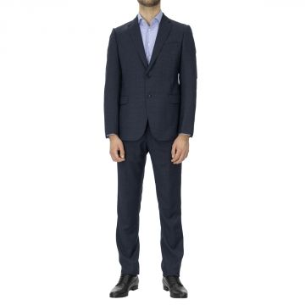 | Emporio Armani | Men | Clothing | Suits | 280.00 | Fall/Winter | 8055185390288 | 11VMEB11651-920-50 | Suit | Blue | 50 | Bulgary | 100% Wool | 1 | 350.00 | 875.00 | 350.00
 | Emporio Armani | Men | Clothing | Suits | 280.00 | Fall/Winter | 8055185390295 | 11VMEB11651-920-52 | Suit | Blue | 52 | Bulgary | 100% Wool | 1 | 350.00 | 875.00 | 350.00
 | Emporio Armani | Men | Clothing | Suits | 280.00 | Fall/Winter | 8055185390318 | 11VMEB11651-920-56 | Suit | Blue | 56 | Bulgary | 100% Wool | 3 | 350.00 | 875.00 | 1050.00
 | Emporio Armani | Men | Clothing | Suits | 280.00 | Fall/Winter | 8055185620842 | 11VMEB11651-920-58 | Suit | Blue | 58 | Bulgary | 100% Wool | 2 | 350.00 | 875.00 | 700.00
 | Emporio Armani | Men | Clothing | Suits | 280.00 | Fall/Winter | 8055185622389 | 11VMEB11671-631-54 | Suit | Grey | 54 | Bulgary | 100% Wool | 1 | 308.00 | 770.00 | 308.00
 | Emporio Armani | Men | Clothing | Suits | 280.00 | Fall/Winter | 8055185622402 | 11VMEB11671-631-58 | Suit | Grey | 58 | Bulgary | 100% Wool | 1 | 308.00 | 770.00 | 308.00
 | Emporio Armani | Men | Clothing | Suits | 280.00 | Fall/Winter | 8055185623799 | 11VMET01504-926-54 | Suit | Blue | 54 | Bulgary | 100% Wool | 4 | 277.00 | 692.50 | 1108.00
 | Emporio Armani | Men | Clothing | Suits | 280.00 | Fall/Winter | 8055185623805 | 11VMET01504-926-56 | Suit | Blue | 56 | Bulgary | 100% Wool | 1 | 277.00 | 692.50 | 277.00
 | Emporio Armani | Men | Clothing | Suits | 280.00 | Fall/Winter | 8055185623812 | 11VMET01504-926-58 | Suit | Blue | 58 | Bulgary | 100% Wool | 1 | 277.00 | 692.50 | 277.00
 | Emporio Armani | Men | Clothing | Suits | 280.00 | Fall/Winter | 8055185624055 | 11VMET01504-999-56 | Suit | Black | 56 | Bulgary | 100% Wool | 1 | 277.00 | 692.50 | 277.00
 | Emporio Armani | Men | Clothing | Suits | 280.00 | Fall/Winter | 8055185625168 | 11VMET01506-999-46 | Suit | Black | 46 | Bulgary | 100% Wool | 1 | 338.00 | 845.00 | 338.00
 | Emporio Armani | Men | Clothing | Suits | 280.00 | Fall/Winter | 8055185625182 | 11VMET01506-999-50 | Suit | Black | 50 | Bulgary | 100% Wool | 1 | 338.00 | 845.00 | 338.00
 | Emporio Armani | Men | Clothing | Suits | 280.00 | Fall/Winter | 8055185625205 | 11VMET01506-999-54 | Suit | Black | 54 | Bulgary | 100% Wool | 1 | 338.00 | 845.00 | 338.00
 | Emporio Armani | Men | Clothing | Suits | 280.00 | Fall/Winter | 8055185625717 | 11VMET11502-920-48 | Suit | Blue | 48 | Bulgary | 100% Wool | 1 | 277.00 | 692.50 | 277.00
 | Emporio Armani | Men | Clothing | Suits | 280.00 | Fall/Winter | 8059972136165 | 11VMET11602-920-46 | Suit | Blue | 46 | Bulgary | 100% Wool | 1 | 277.00 | 692.50 | 277.00
 | Emporio Armani | Men | Clothing | Suits | 280.00 | Fall/Winter | 8055185639257 | 11VMGB11503-999-50 | Suit | Black | 50 | Bulgary | 100% Wool | 1 | 350.00 | 875.00 | 350.00
 | Emporio Armani | Men | Clothing | Suits | 280.00 | Fall/Winter | 8055185639264 | 11VMGB11503-999-52 | Suit | Black | 52 | Bulgary | 100% Wool | 1 | 350.00 | 875.00 | 350.00
 | Emporio Armani | Men | Clothing | Suits | 280.00 | Fall/Winter | 8054524856430 | 11VMLL11669-620-50 | Suit | Grey | 50 | Bulgary | 100% Wool | 1 | 354.00 | 885.00 | 354.00
 | Emporio Armani | Men | Clothing | Suits | 280.00 | Fall/Winter | 8054524856447 | 11VMML11618-923-50 | Suit | Blue | 50 | Bulgary | 100% Wool | 2 | 429.00 | 1072.50 | 858.00
 | Emporio Armani | Men | Clothing | Suits | 280.00 | Fall/Winter | 8055185649362 | 11VMOP01503-999-54 | Suit | Black | 54 | Bulgary | 100% Wool | 1 | 492.00 | 1230.00 | 492.00
 | Emporio Armani | Men | Clothing | Suits | 280.00 | Fall/Winter | 8055185394521 | 11VMOP11601-999-52 | Suit | Black | 52 | Bulgary | 100% Wool | 2 | 442.00 | 1105.00 | 884.00
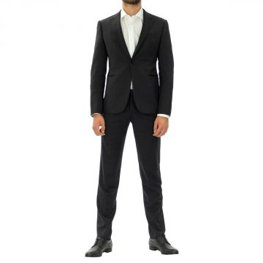 | Emporio Armani | Men | Clothing | Suits | 280.00 | Fall/Winter | 8055185650641 | 11VMRL01503-926-46 | Suit | Blue | 46 | Bulgary | 100% Wool | 1 | 338.00 | 845.00 | 338.00
 | Emporio Armani | Men | Clothing | Suits | 280.00 | Fall/Winter | 8055185650665 | 11VMRL01503-926-50 | Suit | Blue | 50 | Bulgary | 100% Wool | 1 | 338.00 | 845.00 | 338.00
 | Emporio Armani | Men | Clothing | Suits | 280.00 | Fall/Winter | 8055185650689 | 11VMRL01503-926-54 | Suit | Blue | 54 | Bulgary | 100% Wool | 3 | 338.00 | 845.00 | 1014.00
 | Emporio Armani | Men | Clothing | Suits | 280.00 | Fall/Winter | 8055185650702 | 11VMRL01503-926-58 | Suit | Blue | 58 | Bulgary | 100% Wool | 2 | 338.00 | 845.00 | 676.00
 | Emporio Armani | Men | Clothing | Suits | 280.00 | Fall/Winter | 8054524856508 | 11VMTP01506-999-50 | Suit | Black | 50 | Bulgary | 100% Wool | 2 | 354.00 | 885.00 | 708.00
 | Emporio Armani | Men | Clothing | Suits | 280.00 | Fall/Winter | 8055185680976 | 11VS5T11507-921-60 | Suit | Blue | 60 | Bulgary | 100% Polyester | 1 | 325.00 | 812.50 | 325.00
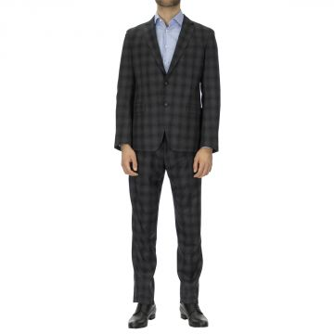 | Emporio Armani | Men | Clothing | Suits | 280.00 | Fall/Winter | 8054524856591 | 11VS5T11654-631-50 | Suit | Grey | 50 | Bulgary | 100% Wool | 6 | 410.00 | 1025.00 | 2460.00
 | Emporio Armani | Men | Clothing | Suits | 280.00 | Fall/Winter | 8055185656926 | 11VS5T11654-631-52 | Suit | Grey | 52 | Bulgary | 100% Wool | 1 | 410.00 | 1025.00 | 410.00
 | Emporio Armani | Men | Clothing | Suits | 280.00 | Fall/Winter | 8055185656933 | 11VS5T11654-631-54 | Suit | Grey | 54 | Bulgary | 100% Wool | 1 | 410.00 | 1025.00 | 410.00
 | Emporio Armani | Men | Clothing | Suits | 280.00 | Fall/Winter | 8055185656940 | 11VS5T11654-631-56 | Suit | Grey | 56 | Bulgary | 100% Wool | 1 | 410.00 | 1025.00 | 410.00
 | Emporio Armani | Men | Clothing | Suits | 280.00 | Fall/Winter | 8055185657893 | 11VS6T11606-920-54 | Suit | Blue | 54 | Bulgary | 100% Wool | 1 | 429.00 | 1072.50 | 429.00
 | Emporio Armani | Men | Clothing | Suits | 280.00 | Fall/Winter | 8054524856676 | 11VTBA11635-919-50 | Suit | Blue | 50 | Italy | 100% Wool | 1 | 481.00 | 1202.50 | 481.00
 | Emporio Armani | Men | Clothing | Suits | 280.00 | Fall/Winter | 8054524856690 | 11VTFB11648-631-50 | Suit | Grey | 50 | Italy | 100% Wool | 2 | 554.00 | 1385.00 | 1108.00
 | Emporio Armani | Men | Clothing | Suits | 280.00 | Fall/Winter | 8054524856706 | 11YMEB11610-631-50 | Suit | Grey | 50 | Bulgary | 100% Wool | 2 | 481.00 | 1202.50 | 962.00
 | Emporio Armani | Men | Clothing | Suits | 280.00 | Fall/Winter | 8055185684868 | 11YMEB11610-922-46 | Suit | Navy | 46 | Bulgary | 100% Wool | 1 | 481.00 | 1202.50 | 481.00
 | Emporio Armani | Men | Clothing | Suits | 280.00 | Fall/Winter | 8055185667359 | 11YMEB11610-922-52 | Suit | Navy | 52 | Bulgary | 100% Wool | 2 | 481.00 | 1202.50 | 962.00
 | Emporio Armani | Men | Clothing | Suits | 280.00 | Fall/Winter | 8055185684875 | 11YMEB11610-922-54 | Suit | Navy | 54 | Bulgary | 100% Wool | 1 | 481.00 | 1202.50 | 481.00
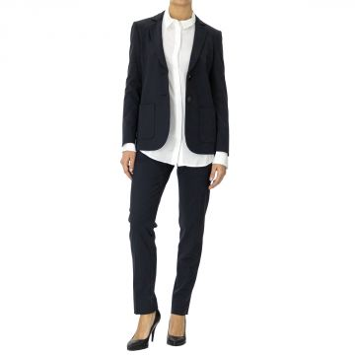 | Emporio Armani | Women | Clothing | Suits | 280.00 | Fall/Winter | 8055187832694 | 1NU01Z01506-922-38 | Suit | Navy | 38 | Albania | 96% Wo 4% Ea | 1 | 308.00 | 770.00 | 308.00
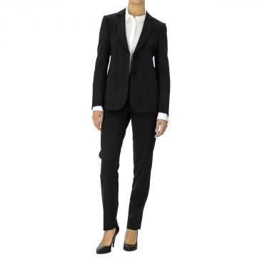 | Emporio Armani | Women | Clothing | Suits | 280.00 | Fall/Winter | 8055187832601 | 1NU01ZW2001-999-36 | Suit | Black | 36 | Albania | 98% Wo 2% Ea | 1 | 269.00 | 672.50 | 269.00
 | Emporio Armani | Women | Clothing | Suits | 280.00 | Fall/Winter | 8055187832618 | 1NU01ZW2001-999-38 | Suit | Black | 38 | Albania | 98% Wo 2% Ea | 1 | 269.00 | 672.50 | 269.00
 | Emporio Armani | Women | Clothing | Suits | 280.00 | Fall/Winter | 8055187832670 | 1NU01ZW2001-999-50 | Suit | Black | 50 | Albania | 98% Wo 2% Ea | 1 | 269.00 | 672.50 | 269.00
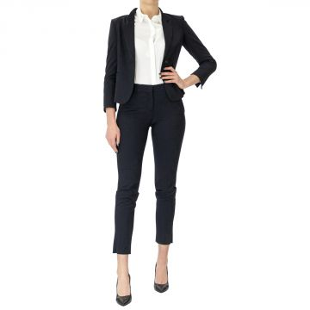 | Emporio Armani | Women | Clothing | Suits | 280.00 | Fall/Winter | 8055187832786 | 1NU04Z01506-922-40 | Suit | Navy | 40 | Albania | 96% Wo 4% Ea | 1 | 301.00 | 752.50 | 301.00
 | Emporio Armani | Women | Clothing | Suits | 280.00 | Fall/Winter | 8055187832793 | 1NU04Z01506-922-42 | Suit | Navy | 42 | Albania | 96% Wo 4% Ea | 10 | 301.00 | 752.50 | 3010.00
 | Emporio Armani | Women | Clothing | Suits | 280.00 | Fall/Winter | 8055187832809 | 1NU04Z01506-922-44 | Suit | Navy | 44 | Albania | 96% Wo 4% Ea | 16 | 301.00 | 752.50 | 4816.00
 | Emporio Armani | Women | Clothing | Suits | 280.00 | Fall/Winter | 8055187832816 | 1NU04Z01506-922-46 | Suit | Navy | 46 | Albania | 96% Wo 4% Ea | 5 | 301.00 | 752.50 | 1505.00
 | Emporio Armani | Women | Clothing | Suits | 280.00 | Fall/Winter | 8055187832823 | 1NU04Z01506-922-48 | Suit | Navy | 48 | Albania | 96% Wo 4% Ea | 4 | 301.00 | 752.50 | 1204.00
 | Emporio Armani | Women | Clothing | Suits | 280.00 | Fall/Winter | 8055187832830 | 1NU04Z01506-922-50 | Suit | Navy | 50 | Albania | 96% Wo 4% Ea | 1 | 301.00 | 752.50 | 301.00
 | Emporio Armani | Men | Clothing | Suits | 280.00 | Fall/Winter | 8055187328111 | 1ZV16EW1609-642-58 | Suit | Grey | 58 | Italy | 100% Wool | 1 | 423.00 | 1057.50 | 423.00
 | Emporio Armani | Men | Clothing | Suits | 280.00 | Fall/Winter | 8055187328166 | 1ZV16EW1610-999-54 | Suit | Black | 54 | Italy | 100% Wool | 1 | 423.00 | 1057.50 | 423.00
 | Emporio Armani | Men | Clothing | Suits | 280.00 | Fall/Winter | 8055187328173 | 1ZV16EW1610-999-56 | Suit | Black | 56 | Italy | 100% Wool | 1 | 423.00 | 1057.50 | 423.00
 | Emporio Armani | Men | Clothing | Suits | 280.00 | Fall/Winter | 8055187328180 | 1ZV16EW1610-999-58 | Suit | Black | 58 | Italy | 100% Wool | 1 | 423.00 | 1057.50 | 423.00
 | Emporio Armani | Men | Clothing | Suits | 280.00 | Fall/Winter | 8055187328241 | 1ZV16EW1612-620-56 | Suit | Grey | 56 | Italy | 100% Wool | 1 | 423.00 | 1057.50 | 423.00
 | Emporio Armani | Men | Clothing | Suits | 280.00 | Fall/Winter | 8055187328258 | 1ZV16EW1612-620-58 | Suit | Grey | 58 | Italy | 100% Wool | 1 | 423.00 | 1057.50 | 423.00
 | Emporio Armani | Men | Clothing | Suits | 280.00 | Fall/Winter | 8055187328463 | 1ZV16EW1620-922-56 | Suit | Navy | 56 | Italy | 100% Wool | 1 | 448.00 | 1120.00 | 448.00
 | Emporio Armani | Men | Clothing | Suits | 280.00 | Fall/Winter | 8055187413602 | 1ZV16EW1648-620-48 | Suit | Grey | 48 | Italy | 100% Wool | 1 | 423.00 | 1057.50 | 423.00
 | Emporio Armani | Men | Clothing | Suits | 280.00 | Fall/Winter | 8055187413640 | 1ZV16EW1648-620-56 | Suit | Grey | 56 | Italy | 100% Wool | 2 | 423.00 | 1057.50 | 846.00
 | Emporio Armani | Men | Clothing | Suits | 280.00 | Fall/Winter | 8055187413664 | 1ZV16EW1648-620-60 | Suit | Grey | 60 | Italy | 100% Wool | 1 | 423.00 | 1057.50 | 423.00
 | Emporio Armani | Men | Clothing | Suits | 280.00 | Fall/Winter | 8055187328494 | 1ZV16EW1656-642-48 | Suit | Grey | 48 | Italy | 100% Wool | 2 | 448.00 | 1120.00 | 896.00
 | Emporio Armani | Men | Clothing | Suits | 280.00 | Fall/Winter | 8055187327893 | 1ZV16EWS755-922-58 | Suit | Navy | 58 | Italy | 100% Wool | 1 | 468.00 | 1170.00 | 468.00
 | Emporio Armani | Men | Clothing | Suits | 280.00 | Fall/Winter | 8055187327909 | 1ZV16EWS755-922-60 | Suit | Navy | 60 | Italy | 100% Wool | 1 | 468.00 | 1170.00 | 468.00
 | Emporio Armani | Men | Clothing | Suits | 280.00 | Fall/Winter | 8055187327954 | 1ZV16EWS811-921-54 | Suit | Blue | 54 | Italy | 100% Wool | 1 | 448.00 | 1120.00 | 448.00
 | Emporio Armani | Men | Clothing | Suits | 280.00 | Fall/Winter | 8055187327978 | 1ZV16EWS811-921-58 | Suit | Blue | 58 | Italy | 100% Wool | 1 | 448.00 | 1120.00 | 448.00
 | Emporio Armani | Men | Clothing | Suits | 280.00 | Fall/Winter | 8055187413701 | 1ZV16EZC262-926-52 | Suit | Blue | 52 | Italy | 100% Wool | 1 | 436.00 | 1090.00 | 436.00
 | Emporio Armani | Men | Clothing | Suits | 280.00 | Fall/Winter | 8055187413732 | 1ZV16EZC262-926-58 | Suit | Blue | 58 | Italy | 100% Wool | 1 | 436.00 | 1090.00 | 436.00
 | Emporio Armani | Men | Clothing | Suits | 280.00 | Fall/Winter | 8055187413749 | 1ZV16EZC262-926-60 | Suit | Blue | 60 | Italy | 100% Wool | 2 | 436.00 | 1090.00 | 872.00
 | Emporio Armani | Men | Clothing | Suits | 280.00 | Fall/Winter | 8055187328678 | 1ZV16EZC264-921-52 | Suit | Blue | 52 | Italy | 100% Wool | 2 | 436.00 | 1090.00 | 872.00
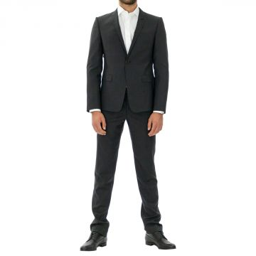 | Emporio Armani | Men | Clothing | Suits | 280.00 | Fall/Winter | 8055187486590 | 1ZV16EZZ065-632-54 | Suit | Grey | 54 | Bulgaria | 100% Wool | 4 | 436.00 | 1090.00 | 1744.00
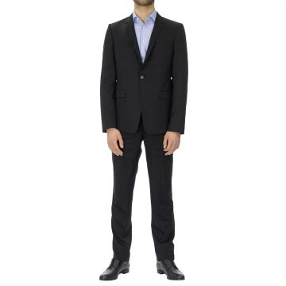 | Emporio Armani | Men | Clothing | Suits | 280.00 | Fall/Winter | 8055187486637 | 1ZV16EZZ066-999-46 | Suit | Black | 46 | Italy | 100% Wool | 1 | 436.00 | 1090.00 | 436.00
 | Emporio Armani | Men | Clothing | Suits | 280.00 | Fall/Winter | 8055187486644 | 1ZV16EZZ066-999-48 | Suit | Black | 48 | Italy | 100% Wool | 1 | 436.00 | 1090.00 | 436.00
 | Emporio Armani | Men | Clothing | Suits | 280.00 | Fall/Winter | 8055187486668 | 1ZV16EZZ066-999-52 | Suit | Black | 52 | Italy | 100% Wool | 2 | 436.00 | 1090.00 | 872.00
 | Emporio Armani | Men | Clothing | Suits | 280.00 | Fall/Winter | 8055187486675 | 1ZV16EZZ066-999-54 | Suit | Black | 54 | Italy | 100% Wool | 3 | 436.00 | 1090.00 | 1308.00
 | Emporio Armani | Men | Clothing | Suits | 280.00 | Fall/Winter | 8055187486682 | 1ZV16EZZ066-999-56 | Suit | Black | 56 | Italy | 100% Wool | 4 | 436.00 | 1090.00 | 1744.00
 | Emporio Armani | Men | Clothing | Suits | 280.00 | Fall/Winter | 8055187486699 | 1ZV16EZZ066-999-58 | Suit | Black | 58 | Italy | 100% Wool | 2 | 436.00 | 1090.00 | 872.00
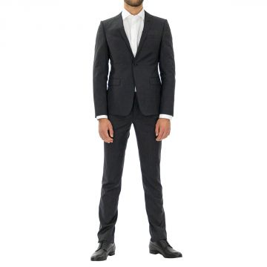 | Emporio Armani | Men | Clothing | Suits | 280.00 | Fall/Winter | 8055187413763 | 1ZV16EZZ068-632-48 | Suit | Grey | 48 | Bulgary | 100% Wool | 1 | 436.00 | 1090.00 | 436.00
 | Emporio Armani | Men | Clothing | Suits | 280.00 | Fall/Winter | 8055187413794 | 1ZV16EZZ068-632-54 | Suit | Grey | 54 | Bulgary | 100% Wool | 5 | 436.00 | 1090.00 | 2180.00
 | Emporio Armani | Men | Clothing | Suits | 280.00 | Fall/Winter | 8055187413800 | 1ZV16EZZ068-632-56 | Suit | Grey | 56 | Bulgary | 100% Wool | 2 | 436.00 | 1090.00 | 872.00
 | Emporio Armani | Men | Clothing | Suits | 280.00 | Fall/Winter | 8055187413817 | 1ZV16EZZ068-632-58 | Suit | Grey | 58 | Bulgary | 100% Wool | 3 | 436.00 | 1090.00 | 1308.00
 | Emporio Armani | Men | Clothing | Suits | 280.00 | Fall/Winter | 8055187413824 | 1ZV16EZZ068-632-60 | Suit | Grey | 60 | Bulgary | 100% Wool | 2 | 436.00 | 1090.00 | 872.00
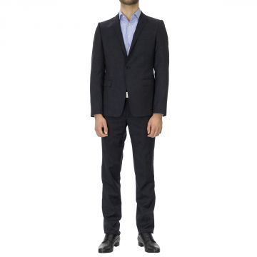 | Emporio Armani | Men | Clothing | Suits | 280.00 | Fall/Winter | 8055187328814 | 1ZV16EZZ068-922-48 | Suit | Navy | 48 | Italy | 100% Wool | 1 | 436.00 | 1090.00 | 436.00
 | Emporio Armani | Men | Clothing | Suits | 280.00 | Fall/Winter | 8055187328821 | 1ZV16EZZ068-922-50 | Suit | Navy | 50 | Italy | 100% Wool | 2 | 436.00 | 1090.00 | 872.00
 | Emporio Armani | Men | Clothing | Suits | 280.00 | Fall/Winter | 8055187328838 | 1ZV16EZZ068-922-52 | Suit | Navy | 52 | Italy | 100% Wool | 2 | 436.00 | 1090.00 | 872.00
 | Emporio Armani | Men | Clothing | Suits | 280.00 | Fall/Winter | 8055187328845 | 1ZV16EZZ068-922-54 | Suit | Navy | 54 | Italy | 100% Wool | 3 | 436.00 | 1090.00 | 1308.00
 | Emporio Armani | Men | Clothing | Suits | 280.00 | Fall/Winter | 8055187328852 | 1ZV16EZZ068-922-56 | Suit | Navy | 56 | Italy | 100% Wool | 2 | 436.00 | 1090.00 | 872.00
 | Emporio Armani | Men | Clothing | Suits | 280.00 | Fall/Winter | 8055187328869 | 1ZV16EZZ068-922-58 | Suit | Navy | 58 | Italy | 100% Wool | 3 | 436.00 | 1090.00 | 1308.00
 | Emporio Armani | Men | Clothing | Suits | 280.00 | Fall/Winter | 8055187328876 | 1ZV16EZZ068-922-60 | Suit | Navy | 60 | Italy | 100% Wool | 1 | 436.00 | 1090.00 | 436.00
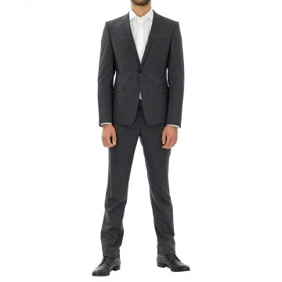 | Emporio Armani | Men | Clothing | Suits | 280.00 | Fall/Winter | 8055187413848 | 1ZV16EZZ081-632-48 | Suit | Grey | 48 | Italy | 100% Wool | 2 | 468.00 | 1170.00 | 936.00
 | Emporio Armani | Men | Clothing | Suits | 280.00 | Fall/Winter | 8055187413886 | 1ZV16EZZ081-632-56 | Suit | Grey | 56 | Italy | 100% Wool | 5 | 468.00 | 1170.00 | 2340.00
 | Emporio Armani | Men | Clothing | Suits | 280.00 | Fall/Winter | 8055187413893 | 1ZV16EZZ081-632-58 | Suit | Grey | 58 | Italy | 100% Wool | 1 | 468.00 | 1170.00 | 468.00
 | Emporio Armani | Men | Clothing | Suits | 280.00 | Fall/Winter | 8055187413909 | 1ZV16EZZ081-632-60 | Suit | Grey | 60 | Italy | 100% Wool | 1 | 468.00 | 1170.00 | 468.00
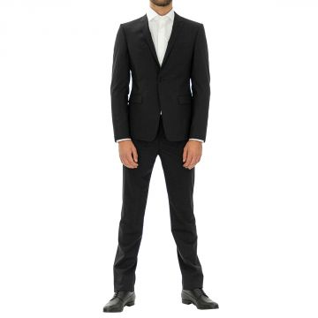 | Emporio Armani | Men | Clothing | Suits | 280.00 | Fall/Winter | 8055187486804 | 1ZV16EZZ081-999-48 | Suit | Black | 48 | Italy | 100% Wool | 3 | 468.00 | 1170.00 | 1404.00
 | Emporio Armani | Men | Clothing | Suits | 280.00 | Fall/Winter | 8055187486811 | 1ZV16EZZ081-999-50 | Suit | Black | 50 | Italy | 100% Wool | 6 | 468.00 | 1170.00 | 2808.00
 | Emporio Armani | Men | Clothing | Suits | 280.00 | Fall/Winter | 8055187486828 | 1ZV16EZZ081-999-52 | Suit | Black | 52 | Italy | 100% Wool | 6 | 468.00 | 1170.00 | 2808.00
 | Emporio Armani | Men | Clothing | Suits | 280.00 | Fall/Winter | 8055187486835 | 1ZV16EZZ081-999-54 | Suit | Black | 54 | Italy | 100% Wool | 1 | 468.00 | 1170.00 | 468.00
 | Emporio Armani | Men | Clothing | Suits | 280.00 | Fall/Winter | 8055187486842 | 1ZV16EZZ081-999-56 | Suit | Black | 56 | Italy | 100% Wool | 4 | 468.00 | 1170.00 | 1872.00
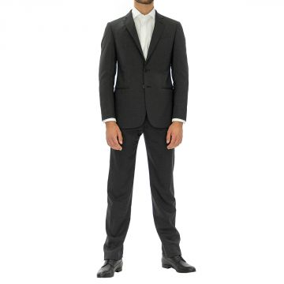 | Emporio Armani | Men | Clothing | Suits | 280.00 | Fall/Winter | 8055187381222 | 1ZVGBA2153J-631-46 | Suit | Grey | 46 | Bulgary | 100% Wool | 3 | 288.00 | 720.00 | 864.00
 | Emporio Armani | Men | Clothing | Suits | 280.00 | Fall/Winter | 8055187381239 | 1ZVGBA2153J-631-48 | Suit | Grey | 48 | Bulgary | 100% Wool | 4 | 288.00 | 720.00 | 1152.00
 | Emporio Armani | Men | Clothing | Suits | 280.00 | Fall/Winter | 8055187381246 | 1ZVGBA2153J-631-50 | Suit | Grey | 50 | Bulgary | 100% Wool | 6 | 288.00 | 720.00 | 1728.00
 | Emporio Armani | Men | Clothing | Suits | 280.00 | Fall/Winter | 8055187381253 | 1ZVGBA2153J-631-52 | Suit | Grey | 52 | Bulgary | 100% Wool | 6 | 288.00 | 720.00 | 1728.00
 | Emporio Armani | Men | Clothing | Suits | 280.00 | Fall/Winter | 8055187381260 | 1ZVGBA2153J-631-54 | Suit | Grey | 54 | Bulgary | 100% Wool | 7 | 288.00 | 720.00 | 2016.00
 | Emporio Armani | Men | Clothing | Suits | 280.00 | Fall/Winter | 8055187381277 | 1ZVGBA2153J-631-56 | Suit | Grey | 56 | Bulgary | 100% Wool | 1 | 288.00 | 720.00 | 288.00
 | Emporio Armani | Men | Clothing | Suits | 280.00 | Fall/Winter | 8055187381291 | 1ZVGBA2153J-631-60 | Suit | Grey | 60 | Bulgary | 100% Wool | 1 | 288.00 | 720.00 | 288.00
 | Emporio Armani | Men | Clothing | Suits | 280.00 | Fall/Winter | 8055187319850 | 1ZVGBAW1032-615-52 | Suit | Grey | 52 | Bosnia Erz | 100% Wool | 1 | 314.00 | 785.00 | 314.00
 | Emporio Armani | Men | Clothing | Suits | 280.00 | Fall/Winter | 8055187319874 | 1ZVGBAW1032-615-56 | Suit | Grey | 56 | Bosnia Erz | 100% Wool | 1 | 314.00 | 785.00 | 314.00
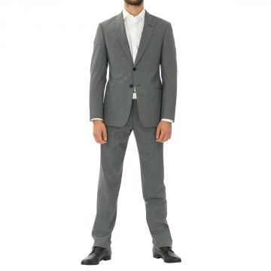 | Emporio Armani | Men | Clothing | Suits | 280.00 | Fall/Winter | 8055187319898 | 1ZVGBAW1522-620-48 | Suit | Grey | 48 | Bosnia Erz | 100% Polyester | 1 | 288.00 | 720.00 | 288.00
 | Emporio Armani | Men | Clothing | Suits | 280.00 | Fall/Winter | 8055187319904 | 1ZVGBAW1522-620-50 | Suit | Grey | 50 | Bosnia Erz | 100% Polyester | 1 | 288.00 | 720.00 | 288.00
 | Emporio Armani | Men | Clothing | Suits | 280.00 | Fall/Winter | 8055187319942 | 1ZVGBAW1522-620-58 | Suit | Grey | 58 | Bosnia Erz | 100% Polyester | 1 | 288.00 | 720.00 | 288.00
 | Emporio Armani | Men | Clothing | Suits | 280.00 | Fall/Winter | 8055187319980 | 1ZVGBAW1608-620-50 | Suit | Grey | 50 | Bosnia Erz | 100% Wool | 1 | 314.00 | 785.00 | 314.00
 | Emporio Armani | Men | Clothing | Suits | 280.00 | Fall/Winter | 8055187320115 | 1ZVGBAW1662-921-48 | Suit | Blue | 48 | Bosnia Erz | 100% Viscose | 1 | 288.00 | 720.00 | 288.00
 | Emporio Armani | Men | Clothing | Suits | 280.00 | Fall/Winter | 8055187320146 | 1ZVGBAW1662-921-54 | Suit | Blue | 54 | Bosnia Erz | 100% Viscose | 1 | 288.00 | 720.00 | 288.00
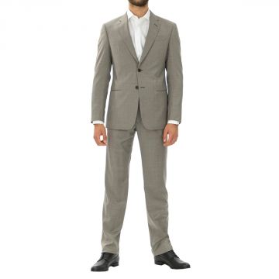 | Emporio Armani | Men | Clothing | Suits | 280.00 | Fall/Winter | 8055187320207 | 1ZVGBAW1663-130-50 | Suit | Grey | 50 | Bosnia Erz | 100% Wool | 3 | 288.00 | 720.00 | 864.00
 | Emporio Armani | Men | Clothing | Suits | 280.00 | Fall/Winter | 8055187320214 | 1ZVGBAW1663-130-52 | Suit | Grey | 52 | Bosnia Erz | 100% Wool | 3 | 288.00 | 720.00 | 864.00
 | Emporio Armani | Men | Clothing | Suits | 280.00 | Fall/Winter | 8055187320221 | 1ZVGBAW1663-130-54 | Suit | Grey | 54 | Bosnia Erz | 100% Wool | 2 | 288.00 | 720.00 | 576.00
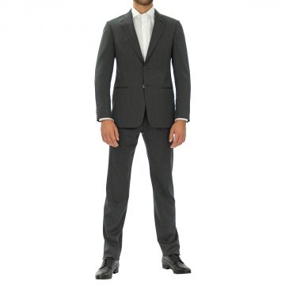 | Emporio Armani | Men | Clothing | Suits | 280.00 | Fall/Winter | 8055187319744 | 1ZVGBAWS819-642-46 | Suit | Grey | 46 | Bosnia Erz | 100% Wool | 2 | 288.00 | 720.00 | 576.00
 | Emporio Armani | Men | Clothing | Suits | 280.00 | Fall/Winter | 8055187319768 | 1ZVGBAWS819-642-50 | Suit | Grey | 50 | Bosnia Erz | 100% Wool | 2 | 288.00 | 720.00 | 576.00
 | Emporio Armani | Men | Clothing | Suits | 280.00 | Fall/Winter | 8055187319775 | 1ZVGBAWS819-642-52 | Suit | Grey | 52 | Bosnia Erz | 100% Wool | 1 | 288.00 | 720.00 | 288.00
 | Emporio Armani | Men | Clothing | Suits | 280.00 | Fall/Winter | 8055187319782 | 1ZVGBAWS819-642-54 | Suit | Grey | 54 | Bosnia Erz | 100% Wool | 1 | 288.00 | 720.00 | 288.00
 | Emporio Armani | Men | Clothing | Suits | 280.00 | Fall/Winter | 8055187319812 | 1ZVGBAWS819-642-60 | Suit | Grey | 60 | Bosnia Erz | 100% Wool | 1 | 288.00 | 720.00 | 288.00
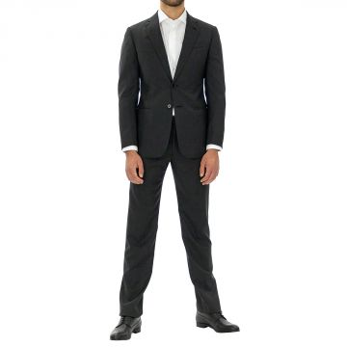 | Emporio Armani | Men | Clothing | Suits | 280.00 | Fall/Winter | 8055187380980 | 1ZVGBAZZ065-632-46 | Suit | Grey | 46 | Bulgary | 100% Wool | 2 | 288.00 | 720.00 | 576.00
 | Emporio Armani | Men | Clothing | Suits | 280.00 | Fall/Winter | 8055187380997 | 1ZVGBAZZ065-632-48 | Suit | Grey | 48 | Bulgary | 100% Wool | 4 | 288.00 | 720.00 | 1152.00
 | Emporio Armani | Men | Clothing | Suits | 280.00 | Fall/Winter | 8055187381000 | 1ZVGBAZZ065-632-50 | Suit | Grey | 50 | Bulgary | 100% Wool | 4 | 288.00 | 720.00 | 1152.00
 | Emporio Armani | Men | Clothing | Suits | 280.00 | Fall/Winter | 8055187381017 | 1ZVGBAZZ065-632-52 | Suit | Grey | 52 | Bulgary | 100% Wool | 3 | 288.00 | 720.00 | 864.00
 | Emporio Armani | Men | Clothing | Suits | 280.00 | Fall/Winter | 8055187381024 | 1ZVGBAZZ065-632-54 | Suit | Grey | 54 | Bulgary | 100% Wool | 5 | 288.00 | 720.00 | 1440.00
 | Emporio Armani | Men | Clothing | Suits | 280.00 | Fall/Winter | 8055187381031 | 1ZVGBAZZ065-632-56 | Suit | Grey | 56 | Bulgary | 100% Wool | 2 | 288.00 | 720.00 | 576.00
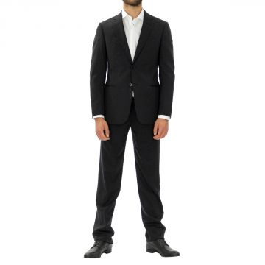 | Emporio Armani | Men | Clothing | Suits | 280.00 | Fall/Winter | 8055187381079 | 1ZVGBAZZ066-999-48 | Suit | Black | 48 | Bulgary | 100% Wool | 6 | 288.00 | 720.00 | 1728.00
 | Emporio Armani | Men | Clothing | Suits | 280.00 | Fall/Winter | 8055187381086 | 1ZVGBAZZ066-999-50 | Suit | Black | 50 | Bulgary | 100% Wool | 5 | 288.00 | 720.00 | 1440.00
 | Emporio Armani | Men | Clothing | Suits | 280.00 | Fall/Winter | 8055187381093 | 1ZVGBAZZ066-999-52 | Suit | Black | 52 | Bulgary | 100% Wool | 6 | 288.00 | 720.00 | 1728.00
 | Emporio Armani | Men | Clothing | Suits | 280.00 | Fall/Winter | 8055187381109 | 1ZVGBAZZ066-999-54 | Suit | Black | 54 | Bulgary | 100% Wool | 5 | 288.00 | 720.00 | 1440.00
 | Emporio Armani | Men | Clothing | Suits | 280.00 | Fall/Winter | 8055187381116 | 1ZVGBAZZ066-999-56 | Suit | Black | 56 | Bulgary | 100% Wool | 3 | 288.00 | 720.00 | 864.00
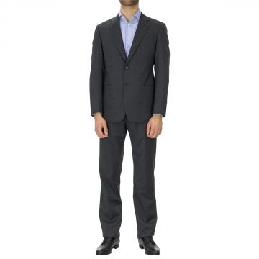 | Emporio Armani | Men | Clothing | Suits | 280.00 | Fall/Winter | 8055187420303 | 1ZVGBAZZ081-632-48 | Suit | Grey | 48 | Italy | 100% Wool | 1 | 340.00 | 850.00 | 340.00
 | Emporio Armani | Men | Clothing | Suits | 280.00 | Fall/Winter | 8055187420310 | 1ZVGBAZZ081-632-50 | Suit | Grey | 50 | Italy | 100% Wool | 5 | 340.00 | 850.00 | 1700.00
 | Emporio Armani | Men | Clothing | Suits | 280.00 | Fall/Winter | 8055187420327 | 1ZVGBAZZ081-632-52 | Suit | Grey | 52 | Italy | 100% Wool | 4 | 340.00 | 850.00 | 1360.00
 | Emporio Armani | Men | Clothing | Suits | 280.00 | Fall/Winter | 8055187420334 | 1ZVGBAZZ081-632-54 | Suit | Grey | 54 | Italy | 100% Wool | 4 | 340.00 | 850.00 | 1360.00
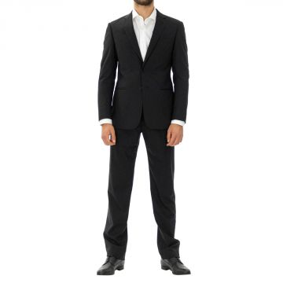 | Emporio Armani | Men | Clothing | Suits | 280.00 | Fall/Winter | 8055187420372 | 1ZVGBAZZ081-999-46 | Suit | Black | 46 | Bulgary | 98% Wo 2% Ea | 2 | 340.00 | 850.00 | 680.00
 | Emporio Armani | Men | Clothing | Suits | 280.00 | Fall/Winter | 8055187420396 | 1ZVGBAZZ081-999-50 | Suit | Black | 50 | Bulgary | 98% Wo 2% Ea | 2 | 340.00 | 850.00 | 680.00
 | Emporio Armani | Men | Clothing | Suits | 280.00 | Fall/Winter | 8055187420402 | 1ZVGBAZZ081-999-52 | Suit | Black | 52 | Bulgary | 98% Wo 2% Ea | 5 | 340.00 | 850.00 | 1700.00
 | Emporio Armani | Men | Clothing | Suits | 280.00 | Fall/Winter | 8055187420419 | 1ZVGBAZZ081-999-54 | Suit | Black | 54 | Bulgary | 98% Wo 2% Ea | 2 | 340.00 | 850.00 | 680.00
 | Emporio Armani | Men | Clothing | Suits | 280.00 | Fall/Winter | 8055187420426 | 1ZVGBAZZ081-999-56 | Suit | Black | 56 | Bulgary | 98% Wo 2% Ea | 2 | 340.00 | 850.00 | 680.00
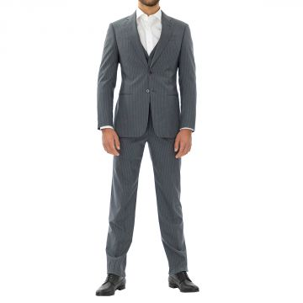 | Emporio Armani | Men | Clothing | Suits | 280.00 | Fall/Winter | 8055187357135 | 1ZYGBAZZ083-631-48 | Suit | Grey | 48 | Bosnia Erz | 98% Wo 2% Ea | 3 | 394.00 | 985.00 | 1182.00
 | Emporio Armani | Men | Clothing | Suits | 280.00 | Fall/Winter | 8055187357142 | 1ZYGBAZZ083-631-50 | Suit | Grey | 50 | Bosnia Erz | 98% Wo 2% Ea | 2 | 394.00 | 985.00 | 788.00
 | Emporio Armani | Men | Clothing | Suits | 280.00 | Fall/Winter | 8055187357159 | 1ZYGBAZZ083-631-52 | Suit | Grey | 52 | Bosnia Erz | 98% Wo 2% Ea | 10 | 394.00 | 985.00 | 3940.00
 | Emporio Armani | Men | Clothing | Suits | 280.00 | Fall/Winter | 8055187357166 | 1ZYGBAZZ083-631-54 | Suit | Grey | 54 | Bosnia Erz | 98% Wo 2% Ea | 6 | 394.00 | 985.00 | 2364.00
 | Emporio Armani | Men | Clothing | Suits | 280.00 | Fall/Winter | 8055187357173 | 1ZYGBAZZ083-631-56 | Suit | Grey | 56 | Bosnia Erz | 98% Wo 2% Ea | 5 | 394.00 | 985.00 | 1970.00
 | Emporio Armani | Men | Clothing | Suits | 280.00 | Fall/Winter | 8055187357197 | 1ZYGBAZZ083-631-60 | Suit | Grey | 60 | Bosnia Erz | 98% Wo 2% Ea | 1 | 394.00 | 985.00 | 394.00
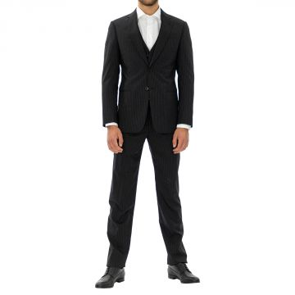 | Emporio Armani | Men | Clothing | Suits | 280.00 | Fall/Winter | 8055187357203 | 1ZYGBAZZ083-999-46 | Suit | Black | 46 | Bosnia Erz | 100% Wool | 1 | 394.00 | 985.00 | 394.00
 | Emporio Armani | Men | Clothing | Suits | 280.00 | Fall/Winter | 8055187357210 | 1ZYGBAZZ083-999-48 | Suit | Black | 48 | Bosnia Erz | 100% Wool | 2 | 394.00 | 985.00 | 788.00
 | Emporio Armani | Men | Clothing | Suits | 280.00 | Fall/Winter | 8055187357227 | 1ZYGBAZZ083-999-50 | Suit | Black | 50 | Bosnia Erz | 100% Wool | 1 | 394.00 | 985.00 | 394.00
 | Emporio Armani | Men | Clothing | Suits | 280.00 | Fall/Winter | 8055187357234 | 1ZYGBAZZ083-999-52 | Suit | Black | 52 | Bosnia Erz | 100% Wool | 2 | 394.00 | 985.00 | 788.00
 | Emporio Armani | Men | Clothing | Suits | 280.00 | Fall/Winter | 8055187357241 | 1ZYGBAZZ083-999-54 | Suit | Black | 54 | Bosnia Erz | 100% Wool | 5 | 394.00 | 985.00 | 1970.00
 | Emporio Armani | Men | Clothing | Suits | 280.00 | Fall/Winter | 8055187357258 | 1ZYGBAZZ083-999-56 | Suit | Black | 56 | Bosnia Erz | 100% Wool | 5 | 394.00 | 985.00 | 1970.00
 | Emporio Armani | Men | Clothing | Suits | 267.00 | Fall/Winter | 8056685410827 | U1V16RU1110-631-56 | Suit |  | 56 | Italy | 100% Wool | 1 | 426.00 | 1065.00 | 426.00
 | Emporio Armani | Men | Clothing | Suits | 267.00 | Fall/Winter | 8056685411961 | U1V18EU1107-999-56 | Suit | Black | 56 | Italy | 100% Wool | 1 | 393.00 | 982.50 | 393.00
 | Emporio Armani | Men | Clothing | Suits | 267.00 | Spring/Summer | 8058984100881 | V1V11SV1030-921-56 | Suit |  | 56 | Italy | 100% Wool | 1 | 428.00 | 1070.00 | 428.00
 | Emporio Armani | Men | Clothing | Suits | 267.00 | Spring/Summer | 8058984104490 | V1V16RV1034-922-56 | Suit | Navy | 56 | Italy | 100% Wool | 1 | 428.00 | 1070.00 | 428.00
 | Emporio Armani | Men | Clothing | Suits | 267.00 | Spring/Summer | 8058984104506 | V1V16RV1034-922-58 | Suit | Navy | 58 | Italy | 100% Wool | 1 | 428.00 | 1070.00 | 428.00
 | Emporio Armani | Men | Clothing | Suits | 267.00 | Spring/Summer | 8058984105787 | V1V18EV1026-626-58 | Suit |  | 58 | Italy | 100% Wool | 1 | 322.00 | 805.00 | 322.00
 | Emporio Armani | Men | Clothing | Suits | 267.00 | Spring/Summer | 8058984107453 | V1V18EV1104-922-56 | Suit | Navy | 56 | Italy | 100% Wool | 1 | 410.00 | 1025.00 | 410.00
 | Emporio Armani | Men | Clothing | Suits | 267.00 | Spring/Summer | 8058984108351 | V1V18RV1030-626-56 | Suit |  | 56 | Italy | 60% Wo 40% Se | 1 | 410.00 | 1025.00 | 410.00
 | Emporio Armani | Men | Clothing | Suits | 267.00 | Spring/Summer | 8058984108764 | V1V18RV1030-921-58 | Suit |  | 58 | Italy | 60% Wo 40% Se | 1 | 410.00 | 1025.00 | 410.00
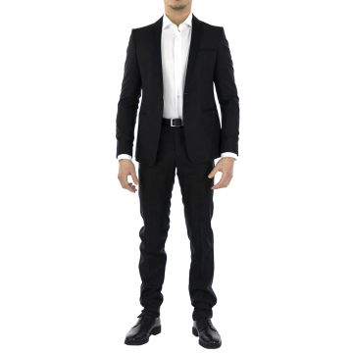 | Emporio Armani | Men | Clothing | Suits | 267.00 | Spring/Summer | 8057019951337 | V1V25ZV1034-999-46 | Suit | Black | 46 | Italy | 100% Wool | 1 | 428.00 | 1070.00 | 428.00
 | Emporio Armani | Men | Clothing | Suits | 180.00 | Spring/Summer | 8058984109884 | V1V25ZV1034-999-56 | Suit | Black | 56 | Italy | 100% Wool | 1 | 428.00 | 1070.00 | 428.00
 | Emporio Armani | Men | Clothing | Suits | 267.00 | Spring/Summer | 8058984112662 | V1V45BV1225-921-54 | Suit |  | 54 | Italy | 100% Cotton | 1 | 428.00 | 1070.00 | 428.00
 | Emporio Armani | Men | Clothing | Suits | 267.00 | Spring/Summer | 8054703295739 | W1V04EW1030-922-56 | Suit | Navy | 56 | Italy | 100% Wool | 1 | 462.00 | 1155.00 | 462.00
 | Emporio Armani | Men | Clothing | Suits | 267.00 | Spring/Summer | 8054703301164 | W1V25ZW1030-999-56 | Suit | Black | 56 | Italy | 100% Wool | 1 | 481.00 | 1202.50 | 481.00
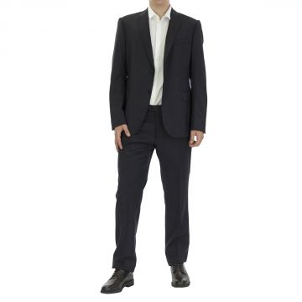 | Emporio Armani | Men | Clothing | Suits |  | Spring/Summer | 8054703421985 | W1VMEB01504-926-52 | Suit | Blue | 52 | Bulgary | 100% Wool | 1 | 277.00 | 692.50 | 277.00
 | Emporio Armani | Men | Clothing | Suits | 350.00 | Spring/Summer | 8054703421992 | W1VMEB01504-926-54 | Suit | Blue | 44 | Bulgary | 100% Wool | 20 | 277.00 | 692.50 | 5540.00
 | Emporio Armani | Men | Clothing | Suits |  | Spring/Summer | 8054703422005 | W1VMEB01504-926-56 | Suit | Blue | 56 | Bulgary | 100% Wool | 2 | 277.00 | 692.50 | 554.00
 | Emporio Armani | Men | Clothing | Suits | 267.00 | Spring/Summer | 8054703511280 | W1VMEB01506-615-62 | Suit |  | 62 | Bulgary | 100% Wool | 2 | 332.00 | 830.00 | 664.00
 | Emporio Armani | Men | Clothing | Suits | 267.00 | Spring/Summer | 8054703504756 | W1VMEBW1610-926-46 | Suit | Blue | 46 | Bulgary | 100% Wool | 1 | 359.00 | 897.50 | 359.00
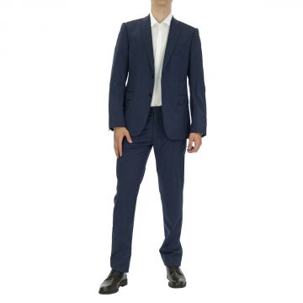 | Emporio Armani | Men | Clothing | Suits |  | Spring/Summer | 8054703505067 | W1VMEBW1611-922-52 | Suit | Navy | 52 | Bulgary | 100% Wool | 1 | 277.00 | 692.50 | 277.00
 | Emporio Armani | Men | Clothing | Suits |  | Spring/Summer | 8054703417001 | W1VMEBW1611-922-54 | Suit | Navy | 54 | Bulgary | 100% Wool | 1 | 277.00 | 692.50 | 277.00
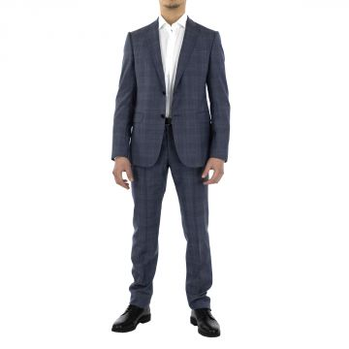 | Emporio Armani | Men | Clothing | Suits |  | Spring/Summer | 8054703265916 | W1VMEBW1653-920-54 | Suit | Blue | 54 | Bulgary | 100% Wool | 1 | 304.00 | 760.00 | 304.00
 | Emporio Armani | Men | Clothing | Suits | 267.00 | Spring/Summer | 8054703424689 | W1VMET01504-926-56 | Suit | Blue | 56 | Bulgary | 100% Wool | 2 | 277.00 | 692.50 | 554.00
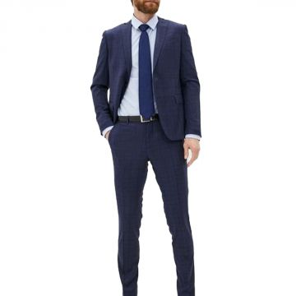 | Emporio Armani | Men | Clothing | Suits | 240.00 | Spring/Summer | 8054703960705 | W1VMET01506-922-46 | Suit | Navy | 46 | Bulgary | 100% Wool | 1 | 331.00 | 827.50 | 331.00
 | Emporio Armani | Men | Clothing | Suits | 267.00 | Spring/Summer | 8054703513802 | W1VMETW1515-420-54 | Suit |  | 54 | Bulgary | 100% Flax | 1 | 330.00 | 825.00 | 330.00
 | Emporio Armani | Men | Clothing | Suits | 350.00 | Spring/Summer | 8054703516759 | W1VMETW1611-922-54 | Suit | Navy | 54 | Bulgary | 100% Wool | 1 | 277.00 | 692.50 | 277.00
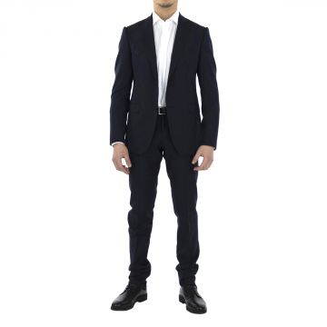 | Emporio Armani | Men | Clothing | Suits |  | Spring/Summer | 8054703424238 | W1VMETW1654-921-54 | Suit | Blue | 54 | Bulgary | 100% Wool | 1 | 277.00 | 692.50 | 277.00
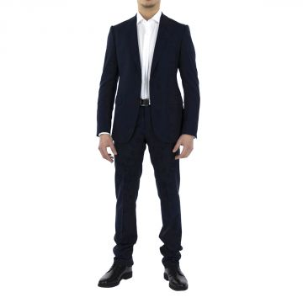 | Emporio Armani | Men | Clothing | Suits |  | Spring/Summer | 8054703524488 | W1VMGBW1600-922-46 | Suit | Navy | 46 | Bulgary | 100% Wool | 1 | 277.00 | 692.50 | 277.00
 | Emporio Armani | Men | Clothing | Suits | 267.00 | Spring/Summer | 8054703985616 | W1VMML01501-926-56 | Suit |  | 56 | Bulgary | 100% Wool | 1 | 359.00 | 897.50 | 359.00
 | Emporio Armani | Men | Clothing | Suits | 280.00 | Fall/Winter | 8054703978144 | W1VMVBW1654-921-50 | Suit | Blue | 50 | Bulgary | 100% Wool | 1 | 277.00 | 692.50 | 277.00
 | Emporio Armani | Men | Clothing | Suits | 280.00 | Fall/Winter | 8054703978151 | W1VMVBW1654-921-52 | Suit | Blue | 52 | Bulgary | 100% Wool | 1 | 277.00 | 692.50 | 277.00
 | Emporio Armani | Men | Clothing | Suits | 280.00 | Fall/Winter | 8054703978175 | W1VMVBW1654-921-56 | Suit | Blue | 56 | Bulgary | 100% Wool | 1 | 277.00 | 692.50 | 277.00
 | Emporio Armani | Men | Clothing | Suits | 267.00 | Fall/Winter | 8053378724179 | Z1V12AZ1026-922-58 | Suit | Navy | 58 | Italy | 100% Wool | 1 | 333.00 | 832.50 | 333.00
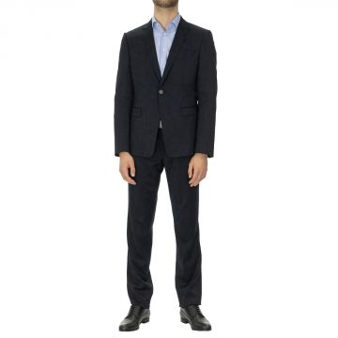 | Emporio Armani | Men | Clothing | Suits | 280.00 | Fall/Winter | 8053378726647 | Z1V16EZ1026-922-44 | Suit | Navy | 44 | Italy | 100% Wool | 1 | 333.00 | 832.50 | 333.00
 | Emporio Armani | Men | Clothing | Suits | 280.00 | Fall/Winter | 8053378726654 | Z1V16EZ1026-922-46 | Suit | Navy | 46 | Italy | 100% Wool | 3 | 333.00 | 832.50 | 999.00
 | Emporio Armani | Men | Clothing | Suits | 280.00 | Fall/Winter | 8053378726678 | Z1V16EZ1026-922-50 | Suit | Navy | 50 | Italy | 100% Wool | 1 | 333.00 | 832.50 | 333.00
 | Emporio Armani | Men | Clothing | Suits | 280.00 | Fall/Winter | 8053378726692 | Z1V16EZ1026-922-54 | Suit | Navy | 54 | Italy | 100% Wool | 1 | 333.00 | 832.50 | 333.00
 | Emporio Armani | Men | Clothing | Suits | 280.00 | Fall/Winter | 8053378726708 | Z1V16EZ1026-922-56 | Suit | Navy | 56 | Italy | 100% Wool | 2 | 333.00 | 832.50 | 666.00
 | Emporio Armani | Men | Clothing | Suits | 280.00 | Fall/Winter | 8053378726715 | Z1V16EZ1026-922-58 | Suit | Navy | 58 | Italy | 100% Wool | 1 | 333.00 | 832.50 | 333.00
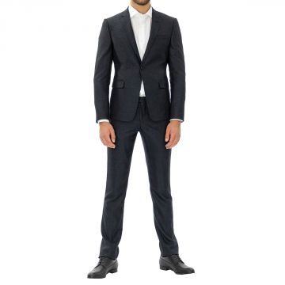 | Emporio Armani | Men | Clothing | Suits | 280.00 | Fall/Winter | 8053378727439 | Z1V16RZ1136-921-44 | Suit | Blue | 44 | Italy | 100% Wool | 1 | 496.00 | 1240.00 | 496.00
 | Emporio Armani | Men | Clothing | Suits | 280.00 | Fall/Winter | 8053378727774 | Z1V18EZ1026-616-46 | Suit | Grey | 46 | Italy | 100% Wool | 1 | 333.00 | 832.50 | 333.00
 | Emporio Armani | Men | Clothing | Suits | 280.00 | Fall/Winter | 8053378728603 | Z1V18EZ1083-999-44 | Suit | Black | 44 | Italy | 100% Wool | 1 | 393.00 | 982.50 | 393.00
 | Emporio Armani | Men | Clothing | Suits | 280.00 | Fall/Winter | 8053378690245 | Z1V18EZ1083-999-46 | Suit | Black | 46 | Italy | 100% Wool | 1 | 393.00 | 982.50 | 393.00
 | Emporio Armani | Men | Clothing | Suits | 280.00 | Fall/Winter | 8053378690283 | Z1V18EZ1083-999-54 | Suit | Black | 54 | Italy | 100% Wool | 2 | 393.00 | 982.50 | 786.00
 | Emporio Armani | Men | Clothing | Suits | 280.00 | Fall/Winter | 8053378690290 | Z1V18EZ1083-999-56 | Suit | Black | 56 | Italy | 100% Wool | 1 | 393.00 | 982.50 | 393.00
 | Emporio Armani | Men | Clothing | Suits | 280.00 | Fall/Winter | 8053378729839 | Z1V25ZZ1026-922-50 | Suit | Navy | 50 | Italy | 100% Wool | 1 | 393.00 | 982.50 | 393.00
 | Emporio Armani | Men | Clothing | Suits | 280.00 | Fall/Winter | 8053378729853 | Z1V25ZZ1026-922-54 | Suit | Navy | 54 | Italy | 100% Wool | 2 | 393.00 | 982.50 | 786.00
 | Emporio Armani | Men | Clothing | Suits | 280.00 | Fall/Winter | 8053378729877 | Z1V25ZZ1026-922-58 | Suit | Navy | 58 | Italy | 100% Wool | 1 | 393.00 | 982.50 | 393.00
 | Emporio Armani | Men | Clothing | Suits | 267.00 | Fall/Winter | 8053378730323 | Z1V31AZ1111-922-56 | Suit | Navy | 56 | Italy | 100% Wool | 2 | 393.00 | 982.50 | 786.00
 | Emporio Armani | Men | Clothing | Suits | 280.00 | Fall/Winter | 8053378691280 | Z1V53GZ1060-999-50 | Suit | Black | 50 | Italy | 100% Wool | 1 | 500.00 | 1250.00 | 500.00
 | Emporio Armani | Men | Clothing | Suits | 280.00 | Fall/Winter | 8053378691297 | Z1V53GZ1060-999-52 | Suit | Black | 52 | Italy | 100% Wool | 1 | 500.00 | 1250.00 | 500.00
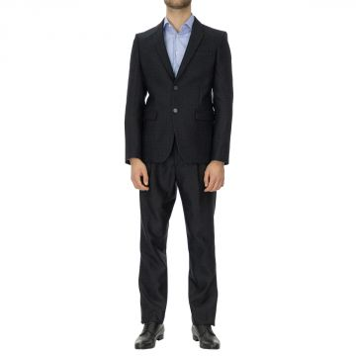 | Emporio Armani | Men | Clothing | Suits | 280.00 | Fall/Winter | 8053378732563 | Z1V59GZ1206-922-50 | Suit | Navy | 50 | Italy | 100% Polyester | 2 | 483.00 | 1207.50 | 966.00
 | Emporio Armani | Men | Clothing | Suits | 280.00 | Fall/Winter | 8053378732570 | Z1V59GZ1206-922-52 | Suit | Navy | 52 | Italy | 100% Polyester | 4 | 483.00 | 1207.50 | 1932.00
 |  |  |  |  |  |  |  |  |  |  |  |  |  | 497 |  |  | 178917.00 | #REF!

